TASK1.Q3A
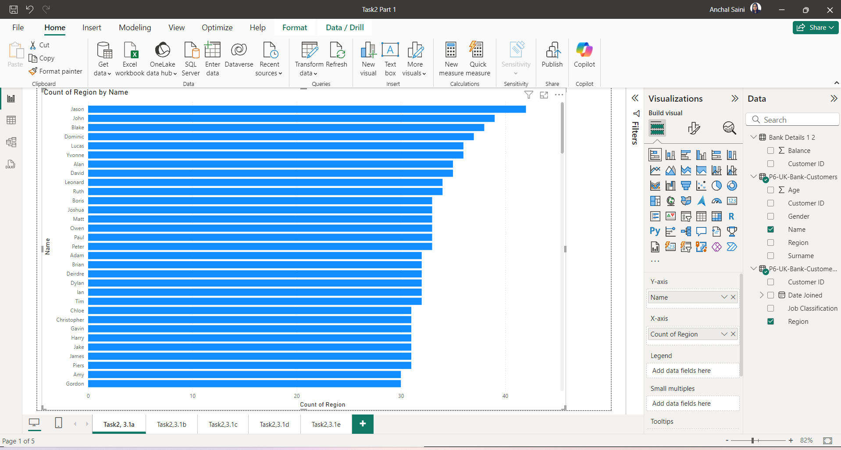
A.Region-wise number of customers

TASK1.Q3B
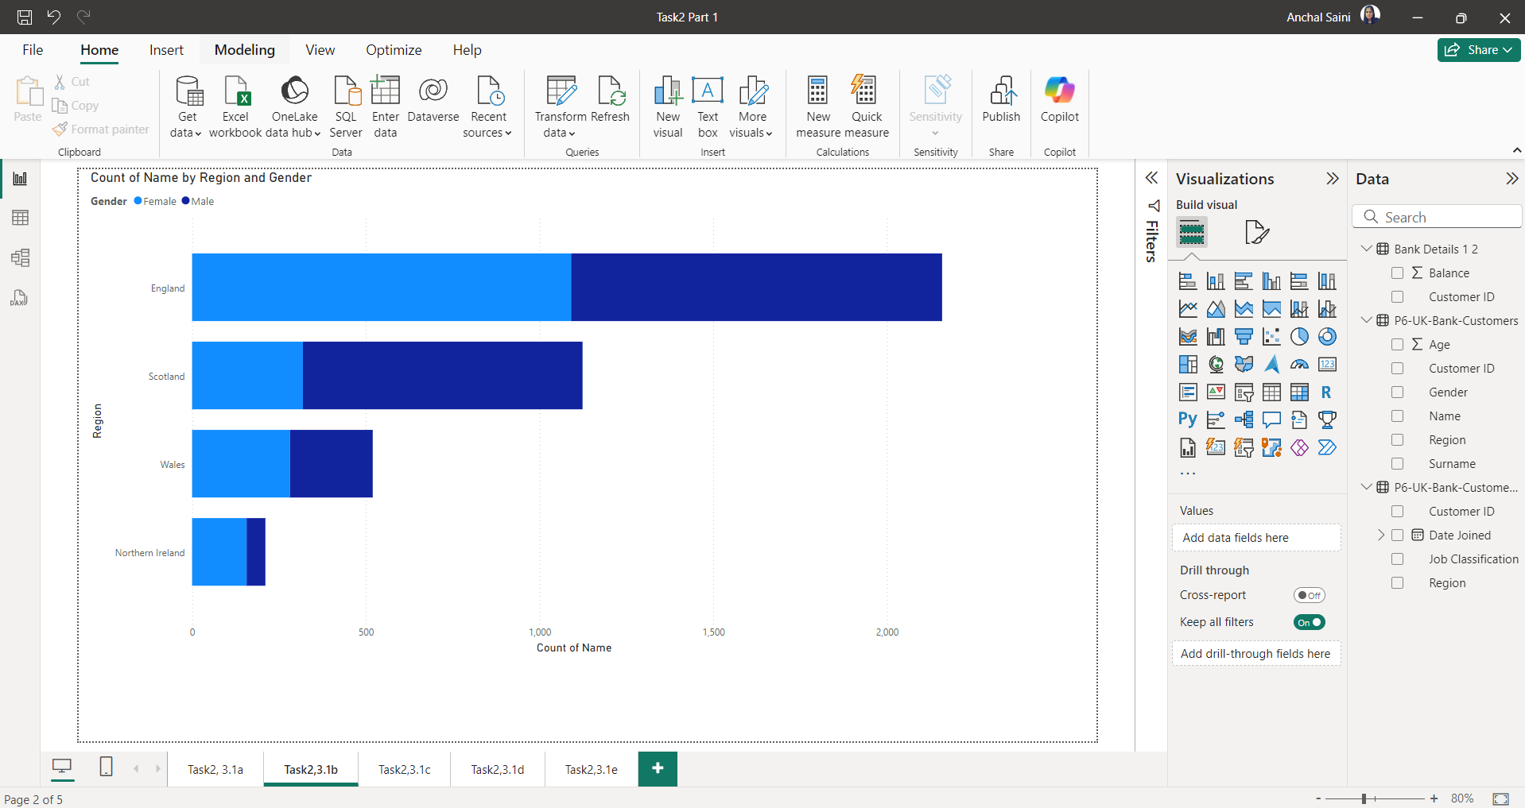
B.Region-wise number of Male & Female Customers

TASK1.Q3C
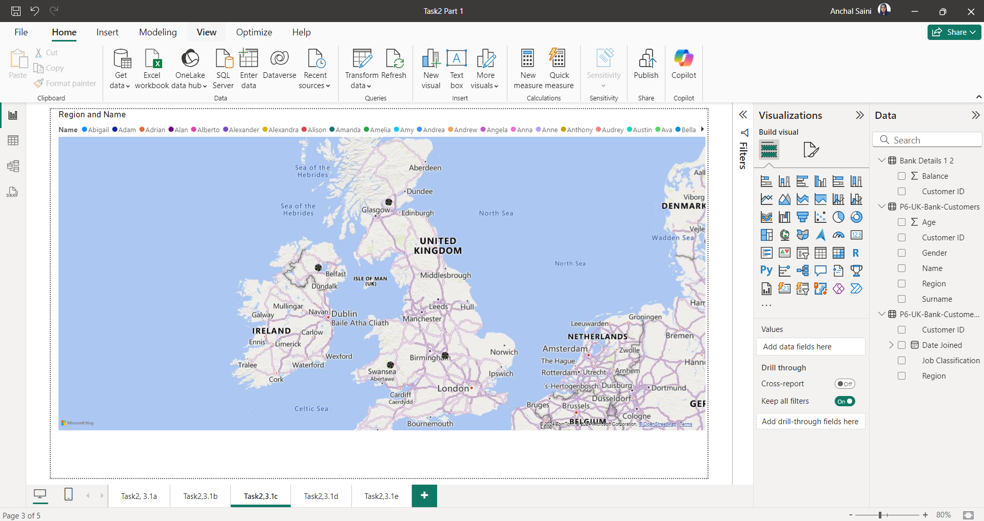
C.Customer presence throughout the world (based on the region-wise customer base)

TASK1.Q3D
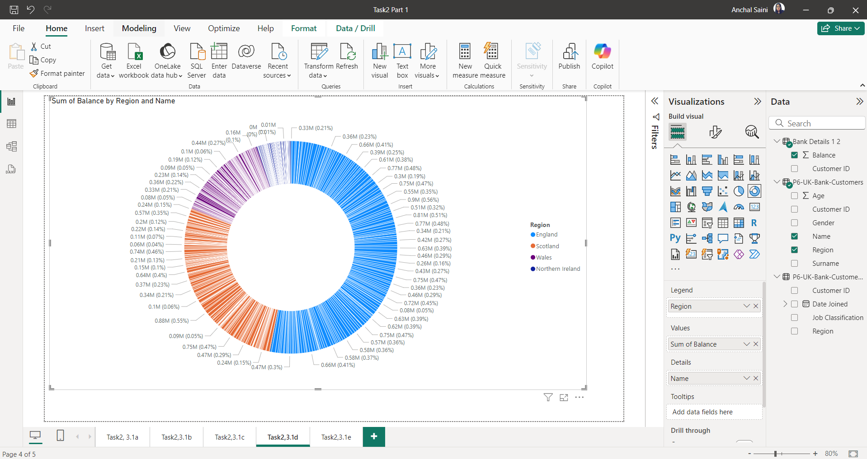
D.Region-wise customer’s bank balance

TASK1.Q3E
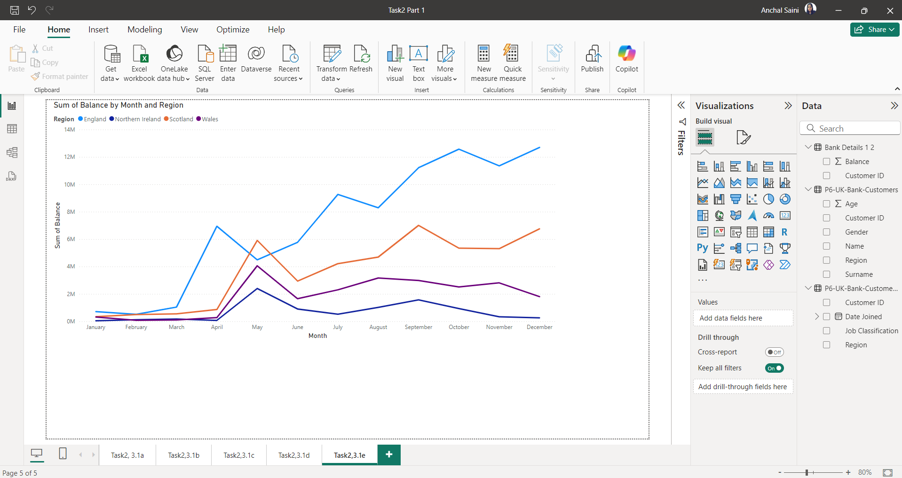
E.Region-wise Monthly balance availability trend.

TASK2.Q2A
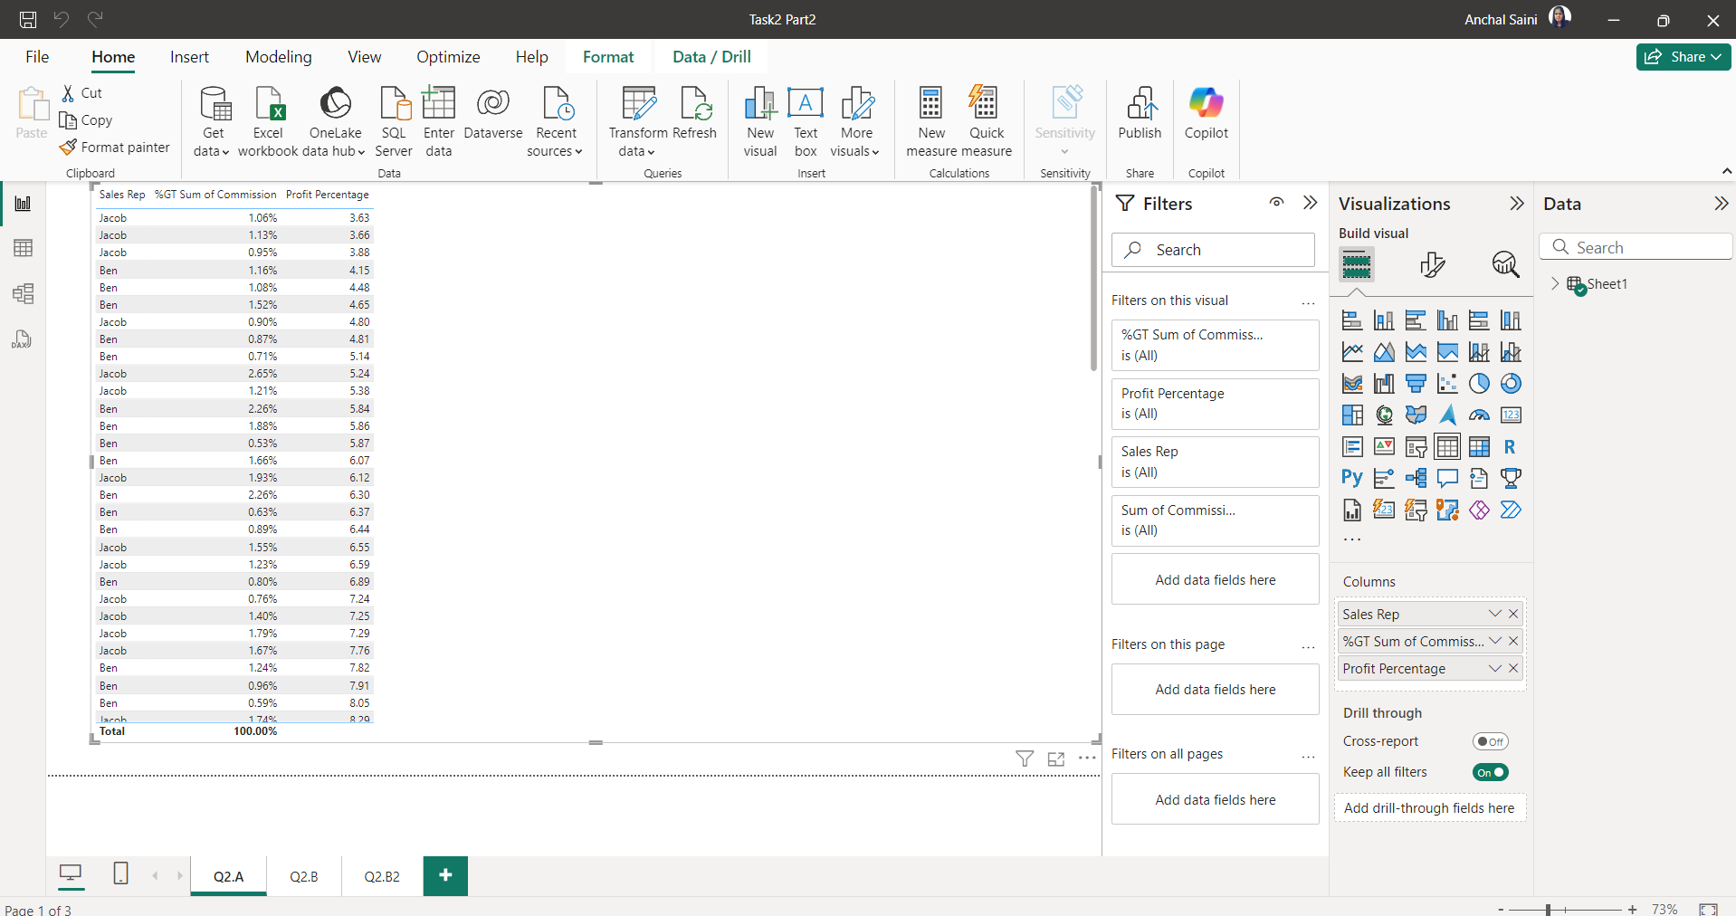
A.Overall profit percentage and commission for sales against each sales representative

TASK2.Q2B1
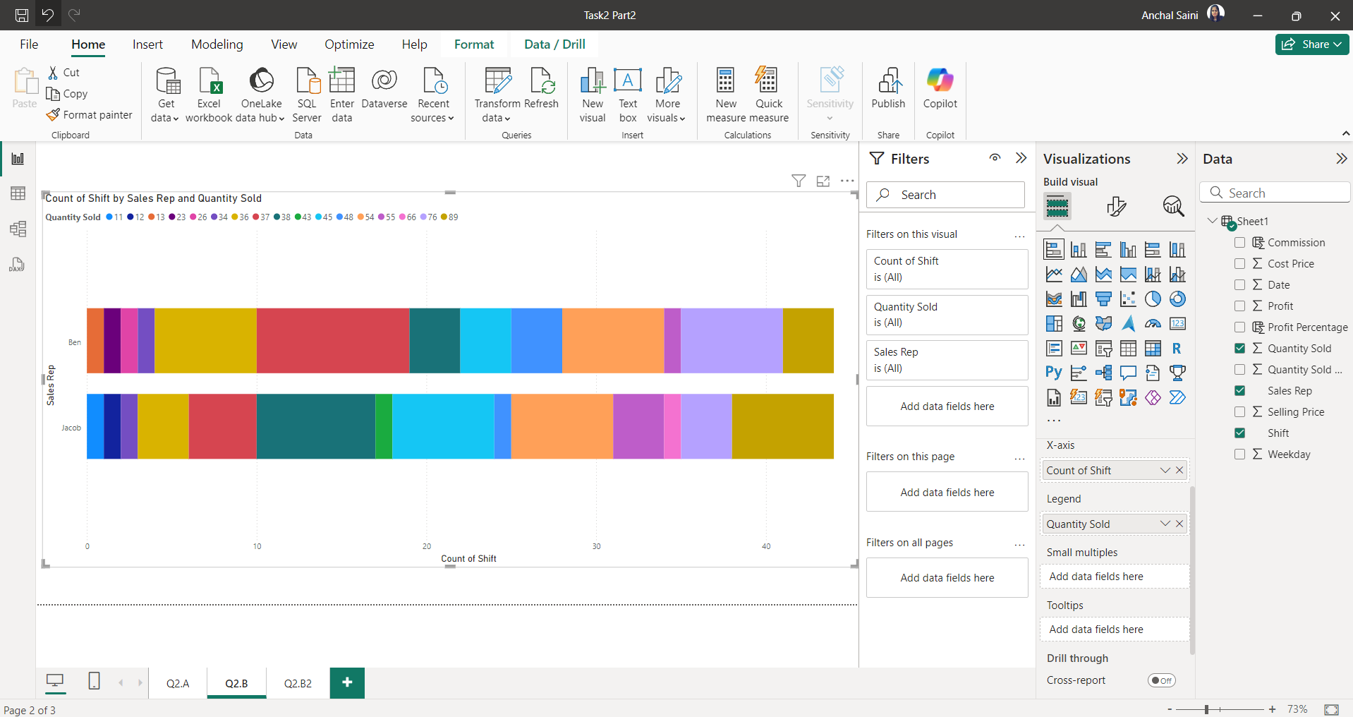
B1.Sales representative-wise total number of work shifts (monthly basis) and work shifts (day & night) trends against the sales representative

TASK2.Q2B2
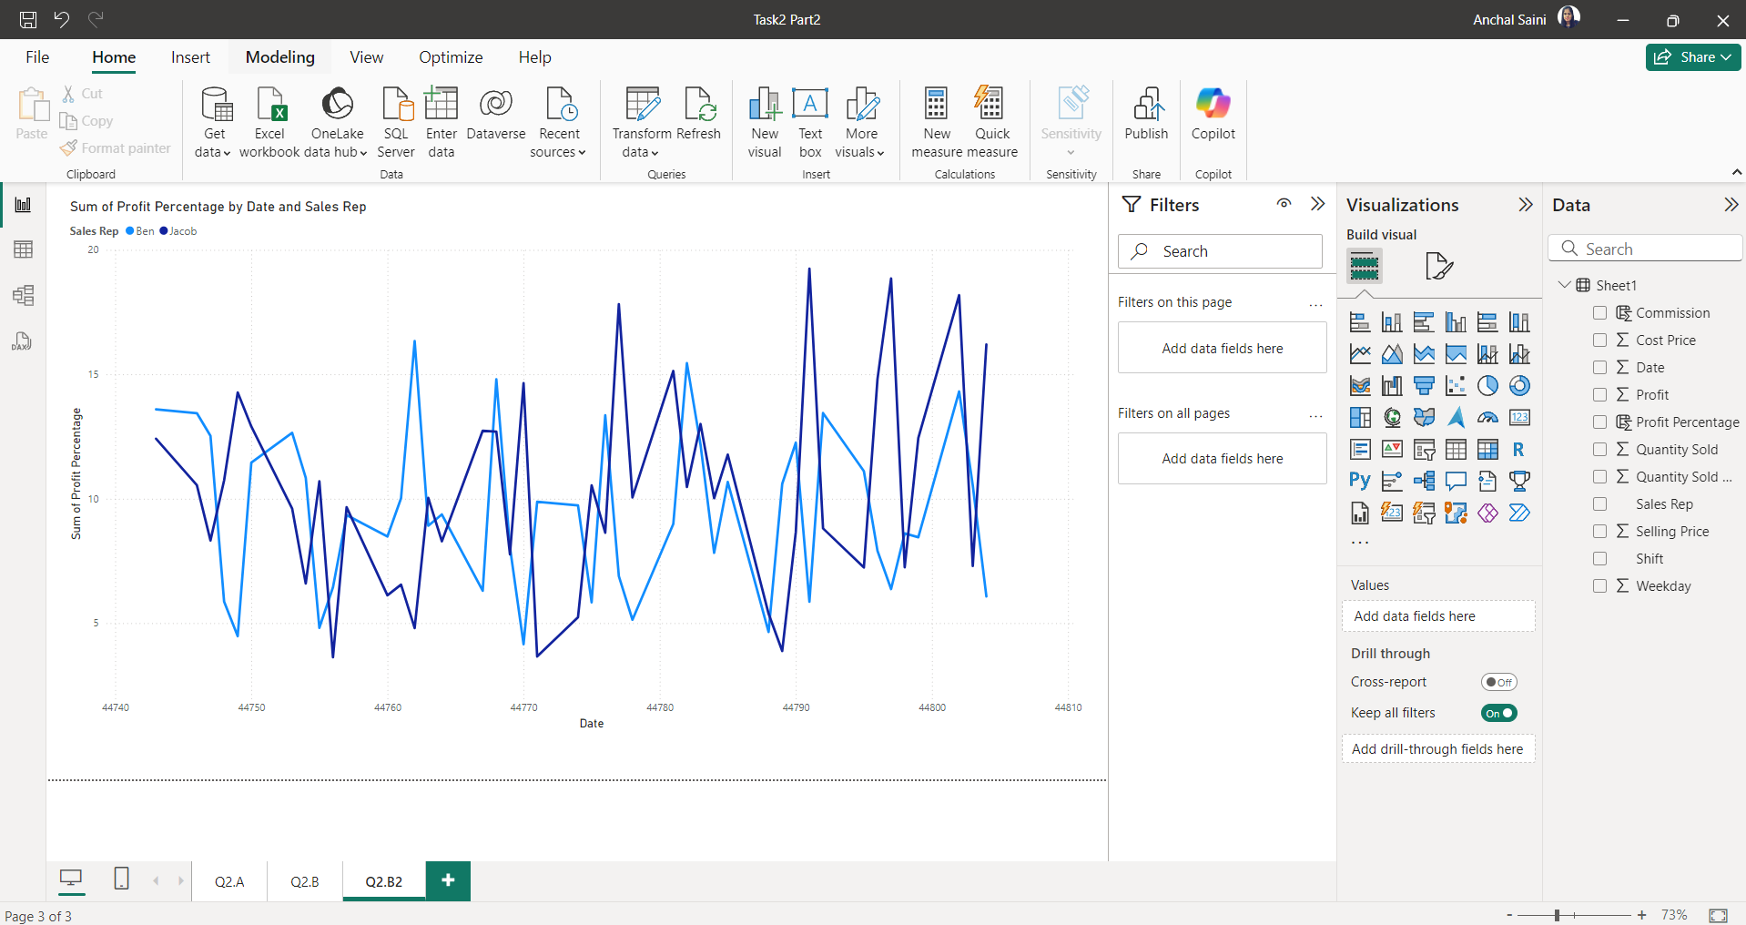
B2.Sales representative-wise total number of work shifts (monthly basis) and work shifts (day & night) trends against the sales representative

